Sheet1
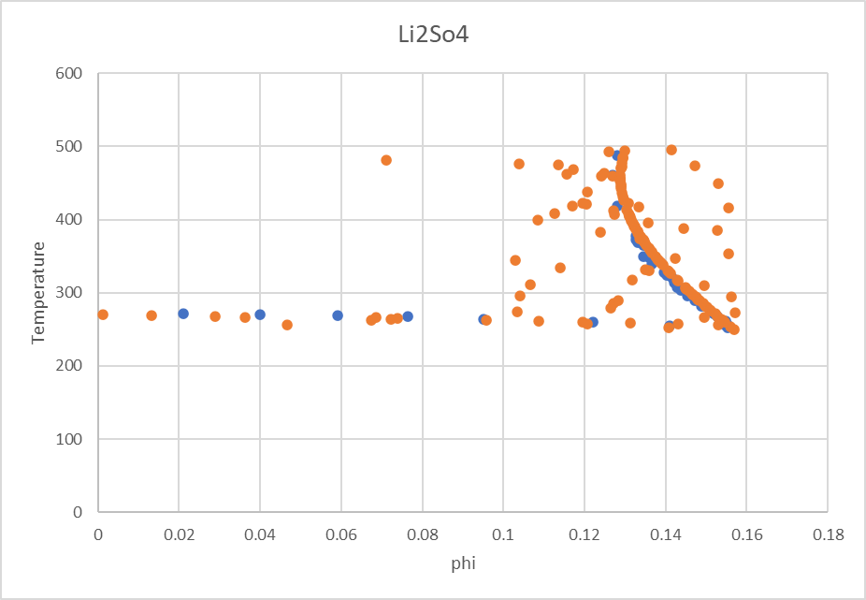
NaCl
0.0037275238413 | 273.32429947 | 0.184906 | 271
0.0069551108915 | 272.64555002 | 0.18494 | 272
0.011444717355 | 272.62861153 | 0.184976 | 273
0.016517817196 | 271.27595219 | 0.185014 | 274
0.022172543979 | 271.25417413 | 0.185053 | 275
0.026525908742 | 271.23723564 | 0.185094 | 276
0.032054215832 | 269.21550598 | 0.18518 | 278
0.039348451093 | 269.8531191 | 0.185226 | 279
0.042952502876 | 269.8386004 | 0.185273 | 280
0.047123200242 | 269.82166191 | 0.185322 | 281
0.051245942783 | 267.80477181 | 0.185372 | 282
0.05883006697 | 267.77331462 | 0.185424 | 283
0.065145720631 | 266.41339593 | 0.185477 | 284
0.069121857954 | 265.7298069 | 0.185533 | 285
0.076423982314 | 265.69834971 | 0.185589 | 286
0.079755694131 | 265.683831 | 0.185648 | 287
0.083056130473 | 264.33601123 | 0.185708 | 288
0.088513005331 | 263.64516285 | 0.185769 | 289
0.093372178991 | 263.62338479 | 0.185833 | 290
0.099763994655 | 262.26104631 | 0.185897 | 291
0.10606979604 | 261.56535837 | 0.185964 | 292
0.11689410679 | 260.18124183 | 0.184182 | 294
0.12044643845 | 260.16430334 | 0.186173 | 295
0.12496193968 | 258.14257368 | 0.186245 | 296
0.1304303913 | 258.11595606 | 0.18632 | 297
0.13288697064 | 256.77055607 | 0.186396 | 298
0.13922637434 | 256.73909887 | 0.186553 | 300
0.14307528272 | 255.38643953 | 0.186633 | 301
0.1468899239 | 254.03378019 | 0.186716 | 302
0.15067703737 | 254.01442191 | 0.1868 | 303
0.15488510601 | 251.32604172 | 0.186885 | 304
0.15953192807 | 252.63514495 | 0.186973 | 305
0.16138924559 | 255.95871848 | 0.187061 | 306
0.16506721728 | 259.93926342 | 0.187152 | 307
0.16870102847 | 261.25320621 | 0.187244 | 308
0.17276261974 | 265.23133137 | 0.187337 | 309
0.17633876342 | 268.54522577 | 0.187433 | 310
0.17811967879 | 271.20214877 | 0.187529 | 311
0.17988997992 | 273.19242124 | 0.187628 | 312
0.18128789362 | 291.85137686 | 0.187728 | 313
0.18130249096 | 295.18462953 | 0.187829 | 314
0.18132876487 | 301.18448434 | 0.188037 | 316
0.18177807943 | 303.8486667 | 0.188144 | 317
0.1826839594 | 311.17698301 | 0.188252 | 318
0.18358493257 | 317.83864879 | 0.188361 | 319
0.18447523114 | 322.50036297 | 0.188585 | 321
0.18536359009 | 327.16207714 | 0.1887 | 322
0.18711149 | 331.15230121 | 0.188933 | 324
0.18714890403 | 339.81875817 | 0.189296 | 327
0.18760047856 | 344.48289213 | 0.18942 | 328
...
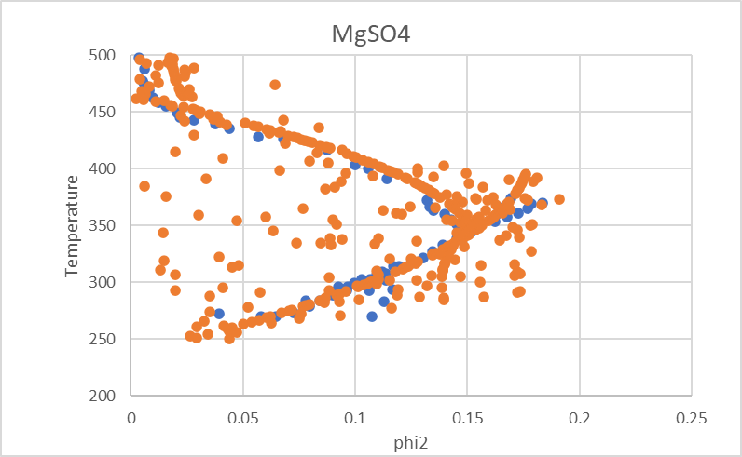

LiCl
0.040775874274 | 269.64318512 | 0.189853 | 200
0.078356686165 | 262.00130237 | 0.190213 | 201
0.10636557892 | 256.53937987 | 0.190493 | 202
0.12627995151 | 252.17144479 | 0.190693 | 203
0.13907032302 | 247.81152427 | 0.190813 | 204
0.16652314052 | 234.74378454 | 0.190853 | 205
0.17817026129 | 230.38386402 | 0.190813 | 206
0.1838725998 | 226.03195806 | 0.190693 | 207
0.19504312905 | 217.32814613 | 0.190493 | 208
0.20591199981 | 212.96822561 | 0.190213 | 209
0.2112371062 | 206.44437395 | 0.189853 | 210
0.22932544648 | 196.64256733 | 0.189413 | 211
0.24900791451 | 202.04037334 | 0.188893 | 212
0.26998254423 | 209.60611778 | 0.188293 | 213
0.26542339803 | 215.04399659 | 0.187613 | 214
0.27224096075 | 221.54781186 | 0.186853 | 215
0.2767161311 | 224.79771585 | 0.179572 | 216
0.2855033642 | 231.29752383 | 0.185093 | 217
0.29619164364 | 235.62137884 | 0.184093 | 218
0.30860291867 | 242.11317226 | 0.183013 | 219
0.31663674326 | 246.44103455 | 0.181853 | 220
0.33215700964 | 248.58092201 | 0.180613 | 221
0.34334231492 | 258.33063399 | 0.179293 | 222
0.35059333244 | 262.65849627 | 0.177893 | 223
0.35768596295 | 265.9003857 | 0.176414 | 224
0.36117449601 | 270.23626254 | 0.174854 | 225
0.36633681887 | 272.39618641 | 0.173214 | 226
0.36973226413 | 275.6460904 | 0.171494 | 227
0.37475774747 | 277.80601426 | 0.169694 | 228
0.38457206184 | 279.95391628 | 0.167814 | 229
0.39408303075 | 288.61765541 | 0.165854 | 230
0.40178713335 | 292.94151041 | 0.163814 | 231
0.41077733906 | 292.91746673 | 0.161694 | 232
0.41662217783 | 300.50324757 | 0.159494 | 233
0.42093027231 | 304.83511713 | 0.157214 | 234
0.42797075263 | 310.24494498 | 0.154855 | 235
0.43754462284 | 316.73273113 | 0.152415 | 236
0.44549933705 | 323.22452455 | 0.149895 | 237
0.44939290997 | 330.81431267 | 0.147295 | 238
0.45701828907 | 337.30610609 | 0.144615 | 239
0.46565186529 | 342.70791939 | 0.141855 | 240
0.47518862224 | 345.9337797 | 0.139015 | 241
0.48439093441 | 351.33158571 | 0.136096 | 242
0.49327609161 | 354.55744603 | 0.133096 | 243
0.50707914381 | 362.10716134 | 0.130016 | 244
0.51015833996 | 365.35305806 | 0.126856 | 245
0.51719567293 | 365.3250071 | 0.123616 | 246
0.53068066889 | 366.35487803 | 0.120297 | 247
0.52015015228 | 371.82882236 | 0.116897 | 248
0.52112695967 | 379.42662504 | 0.113417 | 249
...
CaCl2
0.00088704358093 | 273.64238411 | 0.40785 | 320
0.022823699761 | 269.66887417 | 0.407919 | 321
0.051487057078 | 268.0794702 | 0.408006 | 322
0.073694219407 | 263.31125828 | 0.408111 | 323
0.097188616953 | 259.33774834 | 0.408234 | 324
0.11732523241 | 253.77483444 | 0.408375 | 325
0.13236466541 | 247.41721854 | 0.408534 | 326
0.14485746445 | 242.64900662 | 0.408711 | 327
0.15898082121 | 236.29139073 | 0.408906 | 328
0.1629059222 | 229.93377483 | 0.409119 | 329
0.17644412023 | 223.57615894 | 0.40935 | 330
0.17646517446 | 227.54966887 | 0.409599 | 331
0.18217299614 | 232.31788079 | 0.62868 | 332
0.18964516789 | 235.49668874 | 0.410151 | 333
0.18967370615 | 241.05960265 | 0.410454 | 334
0.19701406222 | 245.03311258 | 0.410775 | 335
0.20244548173 | 250.59602649 | 0.411114 | 336
0.20603100948 | 255.36423841 | 0.522263 | 337
0.21308698874 | 260.92715232 | 0.411846 | 338
0.2148553527 | 267.28476821 | 0.412239 | 339
0.22345575048 | 272.84768212 | 0.41265 | 340
0.23352199183 | 277.61589404 | 0.474398 | 341
0.24171330109 | 281.58940397 | 0.413526 | 342
0.25289133527 | 287.15231788 | 0.413991 | 343
0.25913546383 | 291.12582781 | 0.414474 | 344
0.27575875212 | 296.68874172 | 0.414975 | 345
0.28161517647 | 297.48344371 | 0.415494 | 346
0.28880934439 | 299.86754967 | 0.416031 | 347
0.30001043031 | 299.86754967 | 0.416586 | 348
0.31353690449 | 303.04635762 | 0.417159 | 349
0.32139787544 | 303.04635762 | 0.41775 | 350
0.32909202491 | 306.22516556 | 0.418359 | 351
0.33161441677 | 306.22516556 | 0.418986 | 352
0.3403061733 | 309.40397351 | 0.419631 | 353
0.35233351607 | 312.58278146 | 0.420294 | 354
0.36164113187 | 314.17218543 | 0.420975 | 355
0.37290975325 | 317.35099338 | 0.421674 | 356
0.3837827222 | 318.94039735 | 0.422391 | 357
0.3869794019 | 322.1192053 | 0.423126 | 358
0.39222342833 | 323.70860927 | 0.423879 | 359
0.39431240293 | 330.06622517 | 0.424649 | 360
0.39640063908 | 341.19205298 | 0.425439 | 361
0.4045124939 | 349.93377483 | 0.426246 | 362
0.41144084932 | 360.26490066 | 0.427071 | 363
0.42199919855 | 372.98013245 | 0.427914 | 364
0.4303599743 | 383.31125828 | 0.529317 | 365
0.44288537413 | 395.23178808 | 0.429654 | 366
0.44978991357 | 398.41059603 | 0.430551 | 367
0.46471814619 | 406.35761589 | 0.431466 | 368
0.47267445287 | 414.30463576 | 0.432399 | 369
...

